EP promote to UM
Commission if agent promote to Manager

Other Party Master

AGNT1 - Estate Planner

Estate Planner Promote to Unit Manager from 01st April 2024
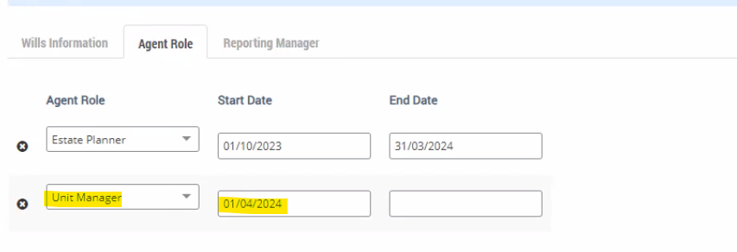

Commission Process

Commission Calculation

EP promote to AM
Commission if agent promote to AM

Other Party Master

AGNT1 - Estate Planner

Estate Planner Promote to Agency Manager 1 from 01st April 2024
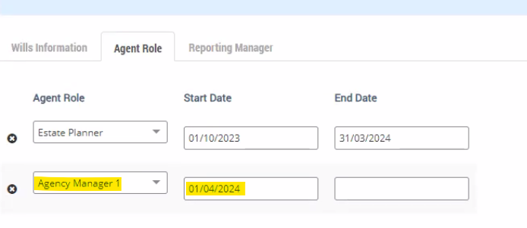

Commission Process

Commission Calculation

EP promote to UM to AM
Commission if agent promote from manager to AM

Other Party Master

AGNT1 - Estate Planner

Estate Planner Promote from Unit Manager to Agency Manager 1 from 01st April 2024
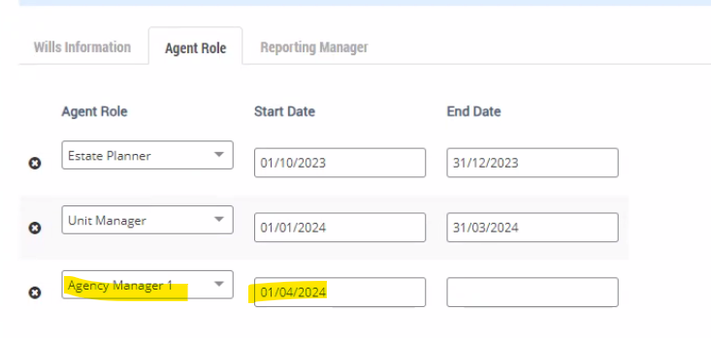

Commission Process

Commission Calculation

AM demote to UM
Commission if AM demote to manager

Other Party Master

AGNT3 - Agency Manager 1

Agency Manager 1 Demote to Unit Manager from 01st April 2024
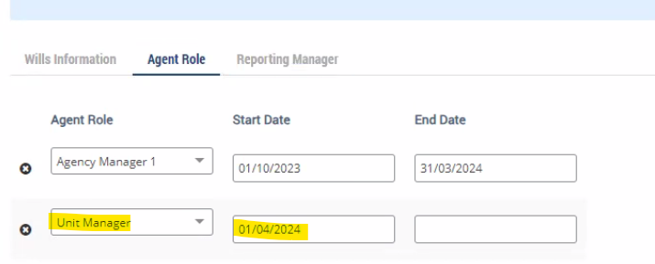

Commission Process

Commission Calculation

AM demote to EP
Commission if AM demote to normal agent

Other Party Master

AGNT3 - Agency Manager 1

Agency Manager 1 Demote to Estate Planner from 01st April 2024
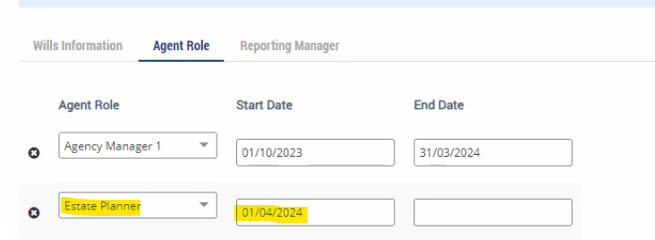

Commission Process

Commission Calculation

UM demote to EP
Commission if manager demote to normal agent

Other Party Master

AGNT2 - Unit Manager

Unit Manager Demote to Estate Planner from 01st April 2024
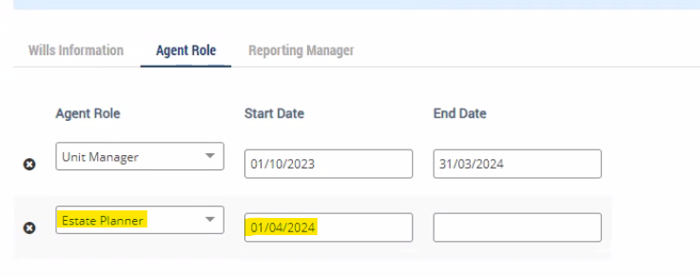

Commission Process

Commission Calculation

